Assumptions
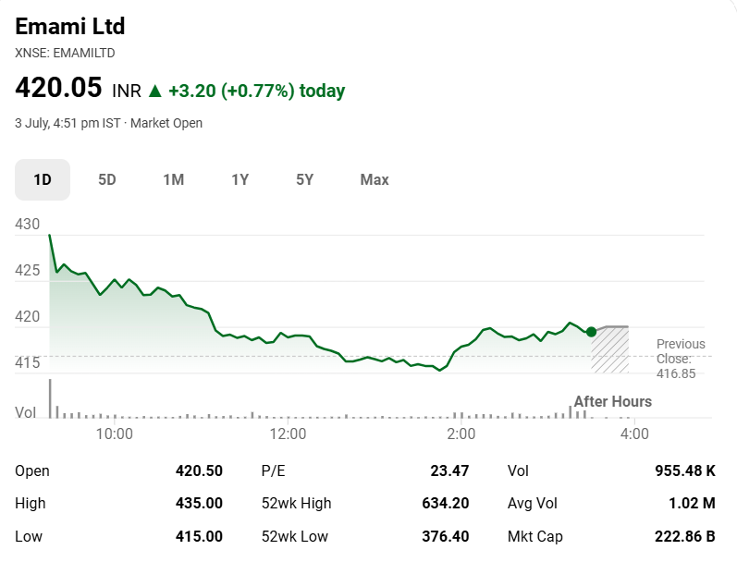
Company Name |  | Emami Limited
ISIN Code |  | INE548C01032
Sector Name |  | FMCG
Industry |  | Personal Products
Exchange Name |  | EMAMILTD
Website |  | http://www.emamiltd.in
Company Description |  | Emami Limited is one of India's leading FMCG companies, engaged in the manufacturing, marketing, and distribution of a diverse portfolio of personal care, healthcare, and wellness products. The Company has a strong presence in the beauty, skincare, haircare, men's grooming, and Ayurvedic healthcare segments, with several well-established brands catering to both domestic and international markets. Emami's product portfolio includes brands such as BoroPlus, Navratna, Kesh King, Zandu, Smart And Handsome, and Dermicool.
Current Market Price |  | 420.05

Company Data
Particulars
No. of Outstanding Shares | Nos in Lacs | 4365.00
Face Value per share | ₹ | 1.00
Current Market Price | ₹ | 420.05
Market Capitalization | ₹ in Lacs | 1833518.25
52 Week Low/High | ₹ | 376.40 - 634.20

Assumptions
Revenue Growth Rate (%) |  | 9.00%
Perpetual Growth Rate (%) |  | 4.00%
10 year Bond Yield rate (%) |  | 6.71%
Interest Rate (Pre Tax) (%) |  | 12.40%
Capital Expenditure Growth Rate (%) |  | 0.50%

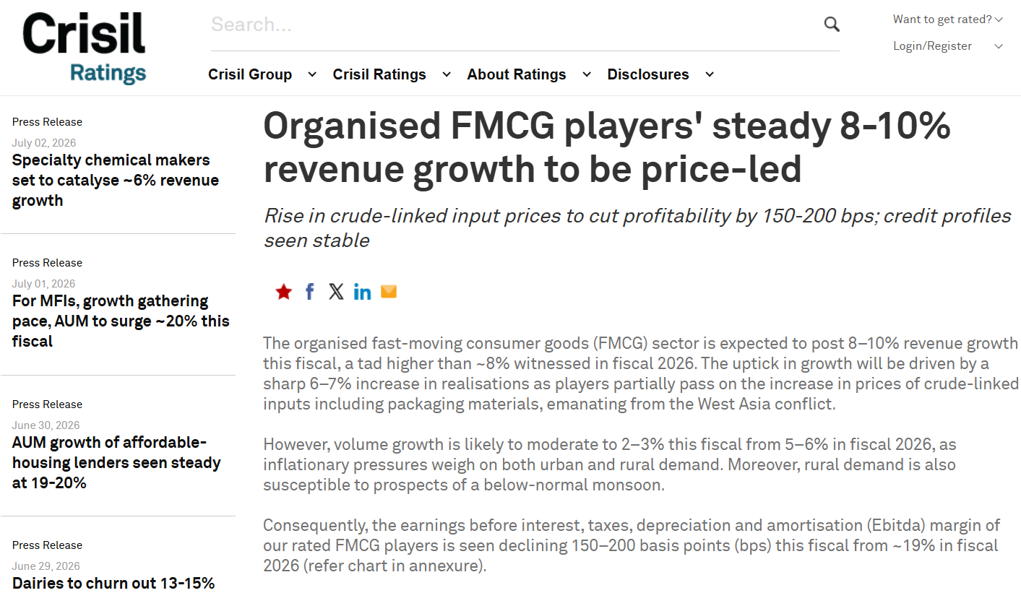
Particulars | Assumptions
Revenue | Revenue has been projected based on the expected growth outlook of the industry and the company's ability to maintain its market position. FY2027 revenue growth is assumed at 9.0%, in line with CRISIL Ratings' expectation of 8–10% revenue growth for the Indian FMCG sector. Growth is gradually tapered towards the perpetual growth rate over the forecast period. Source: [CRISIL Ratings, May 2026]. Revenue growth gradually declines over the forecast period and converges towards the perpetual growth rate of 4.0% by FY2036.
 | Bull Case: Assumes stronger-than-expected industry growth, market share gains, successful product expansion, and favorable consumer demand, resulting in growth rates approximately 5% higher than the Base Case.
 | Bear Case: Assumes weaker industry conditions, increased competitive pressures, or slower consumer demand, resulting in growth rates approximately 5% lower than the Base Case.
Costs | All operating costs excluding finance costs, tax, and depreciation, have been forecasted as a % of total Revenue from Operations using the letest years %
 | Finance cost has been projected using the company's latest historical effective borrowing rate, calculated based on the most recent financial year's finance cost and outstanding debt balance. The forecast assumes that the company's debt level remains constant throughout the projection period, with no significant new borrowings, repayments, or refinancing activities.
 | Depreciation expense is forecasted using the historical average depreciation rate observed over the historical period.
 | Tax expense has been forecasted by increasing the effective tax rate (calculated as a % of PBT) by 0.5% once every 2 years.
Dividend | Dividend payments are forecast based on the historical average dividend payout ratio over the last five years, which is held constant throughout the forecast period.
Working Capital | For working capital forecasting purposes, all revenue is assumed to be generated on credit.
 | Trade Receivables, Inventory, and Trade Payables are forecast using a days-based methodology. Receivable Days, Inventory Days, and Payable Days are calculated as the average of the historical five-year period (FY2022–FY2026) and are assumed to remain constant throughout the forecast period.
 | DSO DIO DPO are calculated by assuming 365 days in a year.
Fixed Asset Schedule | Property, Plant & Equipment is rolled forward through the depreciation schedule, where the closing PPE balance each year equals the opening PPE balance plus capital expenditure for the year less depreciation for the year. Capital expenditure for the first forecast year is taken as the average of the last four historical years' capex, and from the following year onward it is grown at a constant rate of 0.5% per year.
Debt | Debt is assumed to remain constant at ₹16,192 Lacs (FY2026 level) for the entire forecast period, with no new borrowings, repayments, or refinancing assumed — this is consistent with the assumption used for projecting finance costs, where the effective borrowing rate is applied to a constant debt balance.
Equity | Equity Share Capital is also held constant ₹4,365 Lacs (FY2026 level), implying no new share issuance or buyback during the forecast period. Retained Earnings (Other Equity) is rolled forward each year as the prior year's Retained Earnings plus Net Earnings for the year less Dividends Paid during the year, consistent with the Dividend Payout Ratio assumption used in the income statement.
Balance Sheet | All Balance Sheet items, except Property, Plant & Equipment (PPE), Trade Receivables, Inventory, Trade Payables, Borrowings (Current and Non-Current), Equity, and Cash & Cash Equivalents, are assumed to remain constant at their FY2026 balances throughout the forecast period.
 | Cash and Cash equivalents are taken as the balancing figures in the Balance Sheet.

Football Field Analysis: Data Sources
Market Consensus | Data Source : Market Screener analyst consensus (July 2026)

Summary
Emami Limited
Valuation Summary

 | Company Profile |  |  | Valuation Snapshot |  | Key Financial Metrics FY2026
 | Sector | FMCG |  | Current Market Price | 420.05 | Revenue (₹ in Lacs) | 377,951.00
 | Industry | Personal Products |  | DCF Intrinsic Value/share | 566.32 | EBITDA (₹ in Lacs) | 96,365.00
 | Market Cap (₹ in Lacs) | 1,833,518 |  | Comps EV/EBITDA value / share | 800.57 | EBITDA Margin | 25.50%
 | Shares Outstanding (in lacs) | 4,365 |  | Comps EV/Revenue value / share | 640.26 | Net Profit (₹ in Lacs) | 77,526.00
 | Face Value (₹) | 1 |  | Comps PE value / Share | 862.01 | Net Profit Margin | 20.51%
 |  |  |  | DCF - Upside/Downside Potential | 34.82% | ROE | 27.60%
 |  |  |  | WACC | 9.77% | ROA | 21.04%
 |  |  |  | Equity Beta | 0.67 | Debt/Equity | 0.06x
 | Current Market Price | 420.05 |  |  |  | Current Ratio | 2.76x
 | DCF Target Price | 566.32 |  |  |  | Interest Coverage Ratio | 70.65x
 | Upside | 34.82% |  |  |  | Cash Conversion Cycle (Days) | 8.30
 | Recommendation | Buy |  |  |  | Fixed Asset Turnover | 6.53x

Football Field Analysis

 |  | Comps | DCF | 52 Week High/Low | Market Consensus
 | Open | 862.01 | 752.26 | 634.20 | 671.00
 | High | 862.01 | 752.26 | 634.20 | 671.00
 | Low | 640.26 | 424.14 | 376.40 | 415.00
 | Close | 640.26 | 424.14 | 376.40 | 415.00

Stock Valuation

